AGM_7-9-25
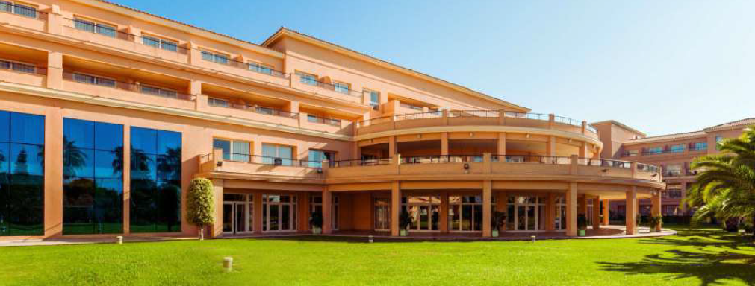
 |  |  |  |  |  |  | EFRA ANNUAL GENERAL MEETING
 |  |  |  |  |  |  | Hotel Alicante Golf
 |  |  |  |  |  |  | C/ Escultor José Gutiérrez, 23 |  |  |  |  |  | Legend:
 |  |  |  |  |  |  | 03540 Alicante |  |  |  |  |  | Seminar Package SPAGM (General/Sections)
 |  |  |  |  |  |  | 7th - 9th of November 2025 |  |  |  |  |  | EFRA invites you for the Welcome Buffet
 |  |  |  |  |  |  |  |  |  |  |  |  | CityTax and breakfast is included
 |  |  |  |  |  |  |  |  |  |  |  |  | Sunday Lunch Soup and Sandwiches
 | Federation / Manufacturer:

 | Firstname and Name | Firstname and Name | Arrival |  |  | Departure |  |  | Shuttle yes / no | Welcome Buffet | Friday Night |  | SPAGM | Buffet Dinner | Saturday Night |  | Sunday Lunch
 | Single Person | used doubled with | Date | Flightnumber | Time | Date | Flightnumber | Time |  |  | Single | Double |  |  | Single | Double
 | First and Lastname | Partner first- Lastname | 2024-11-01 |  | 15:00:00 | 2024-11-03 |  | 15:00:00 | yes | 2 |  | 1 | 2 | 2 |  | 1 | 2
 | First and Lastname |  | 2024-11-01 |  | 15:00:00 | 2024-11-03 |  | 15:00:00 | no | 1 | 1 |  | 1 | 1 | 1
1
2
3
4
5
6
7
8
9
10
 |  |  |  |  |  |  |  |  | Numbers of Totals: | 0 | 0 | 0 | 0 | 0 | 0 | 0 | 0
 |  |  |  |  |  |  |  |  | Price list costs: | 49.00 | 109.00 | 124.00 | 160.00 | 66.00 | 109.00 | 124.00 | 41.00
 |  |  |  |  |  |  |  |  | Price list costs paid by EFRA: | 0.00
 |  |  |  |  |  |  |  |  | Summary of costs in EUR: |  | 0.00 | 0.00 | 0.00 | 0.00 | 0.00 | 0.00 | 0.00

 | Total amount: | 0.00 | EUR | SHUTTLE can be organised, pls write down your arrival and departure time, we inform you about

 | Deadline for registration - until 24.10.2025 |  |  |  |  |  |  |  |  |  |  | EURO IBAN: SE21 6000 0000 0000 4320 2799
 | Please send the voucher form with your complete information to secretary@efra.ws and treasurer@efra.ws |  |  |  |  |  |  |  |  |  |  | SWIFT: HANDSESS
 | I will send you an invoice after receiving a voucher, which can be paid until the AGM

