HYBRID_AGM_22_VOUCHER
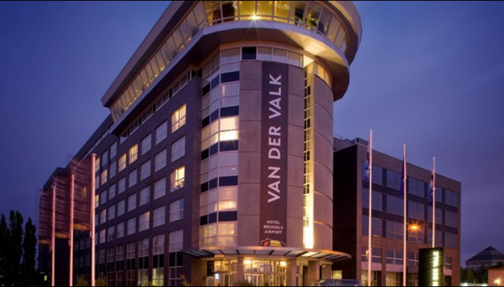
 |  |  |  |  |  | HYBRID |  |  |  |  |  |  |  | Federation & Manufacturer, please advise us if you
 |  |  |  |  |  | EFRA ANNUAL GENERAL MEETING |  |  |  |  |  |  |  | attend the meeting On-Site or Remote via Zoom ?
 |  |  |  |  |  | Van der Valk Hotel Brussels Airport |  |  |  |  |  |  |  | Let us know this with deadline 03.08.2022
 |  |  |  |  |  | Brussels, Belgium
 |  |  |  |  |  | 4th - 6th of November 2022 |  |  |  |  |  |  |  | Legend:
 |  |  |  |  |  |  |  |  |  |  |  |  |  | Seminar Package SPAGM (General/Sections)
 |  |  |  |  |  |  |  |  |  |  |  |  |  | EFRA invites you for the Welcome Buffet
 |  |  |  |  |  |  |  |  |  |  |  |  |  | CityTax and breakfast is included, Sunday Sandwich Lunch included in the package
 | Federation / Manufacturer:

 | Firstname and Name | Firstname and Name | Arrival |  |  | Departure |  |  | plan to use the SHUTTLE | Welcome Buffet | Friday Night |  | SPAGM | Buffet Dinner | Saturday Night |  | Hybrid Attendees via Zoom Call General and Section Meeting provisory indication effectiv participant list will be set later
 | Single Person | used doubled with | Date | Flightnumber | Time | Date | Flightnumber | Time | yes/no |  | Single | Double |  |  | Single | Double | General | IC Buggy | IC 8/10 TR | IC El. OR/TR | IC LS
 | Joe House Sample | Anna House | 2022-11-04 | LX802 | 14:00:00 | 2022-11-06 | LX803 | 15:00:00 | yes | 2 |  | 1 | 2 | 2 |  | 1
 | Phil Remote Sample |  |  |  |  |  |  |  |  |  |  |  |  |  |  |  | 1 |  |  | 1
1
2
3
4
5
6
7
8
9
10
 | Numbers of Totals: |  |  |  |  |  |  |  |  | 0 | 0 | 0 | 0 | 0 | 0 | 0 | 0 | 0 | 0 | 0 | 0
 | Price list costs: |  |  |  |  |  |  |  |  |  | 110.50 | 134.50 | 148.00 | 68.00 | 110.50 | 134.50
 | Price list costs paid by EFRA: |  |  |  |  |  |  |  |  | 55.00
 | Summary of costs in EUR: |  |  |  |  |  |  |  |  |  | 0.00 | 0.00 | 0.00 | 0.00 | 0.00 | 0.00

 | Total amount: | 0.00 | EUR |  |  | SHUTTLE PICKUP POINT @Brussels Airport (Level 0, platform E) referring the Shuttle DepartureTimes.pdf

 | Deadline for attendance / registration On-Site (Hotel Van der Falk in Brussel) or Hybrid over Zoom 2nd August 2022. |  |  |  |  |  |  |  |  |  |  | EURO IBAN: SE21 6000 0000 0000 4320 2799
 | Please send the voucher form with your complete information to secretary@efra.ws and treasurer@efra.ws |  |  |  |  |  |  |  |  |  |  | SWIFT: HANDSESS

 | If you apply for On-Site then I will send you an invoice according to your bookings mid of September 2022

