AGM19VOUCHER
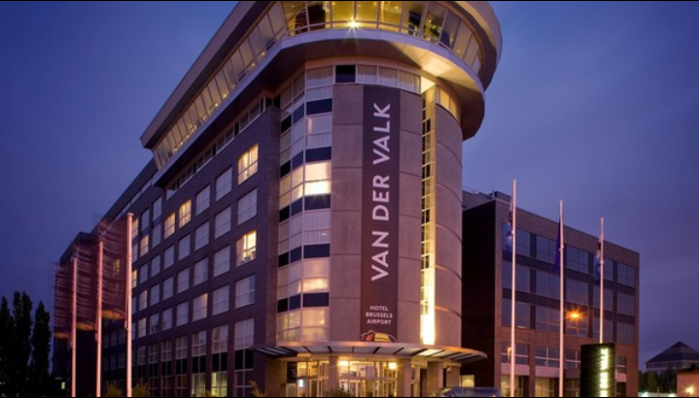

 |  |  |  |  |  | EFRA ANNUAL GENERAL MEETING
 |  |  |  |  |  | Van der Valk Hotel Brussels Airport
 |  |  |  |  |  | Brussels, Belgium
 |  |  |  |  |  | 8th - 10th of November 2019 |  |  |  |  |  |  |  | Legend:
 |  |  |  |  |  |  |  |  |  |  |  |  |  | Seminar Package SPAGM (General/Sections)
 |  |  |  |  |  |  |  |  |  |  |  |  |  | EFRA invites you for the Welcome Buffet
 |  |  |  |  |  |  |  |  |  |  |  |  |  | Breakfast is included
 | Federation / Manufacturer:

 | Firstname and Name | Firstname and Name | Arrival |  |  | Departure |  |  | plan to use the SHUTTLE | Thursday Night |  | Welcome Buffet | Friday Night |  | SPAGM | Buffet Dinner | Saturday Night |  | Sunday Lunch | Sunday Night
 | Single Person | used doubled with | Date | Flightnumber | Time | Date | Flightnumber | Time | yes/no | Single | Double |  | Single | Double |  |  | Single | Double |  | Single | Double
 | Joe Sample | Anna Sample | 2019-11-08 | LX802 | 14:00:00 | 2019-11-10 | LX803 | 15:00:00 | yes |  |  | 2 |  | 1 | 2 | 2 |  | 1 | 2
1
2
3
4
5
6
7
8
9
10
 | Numbers of Totals: |  |  |  |  |  |  |  |  | 0 | 0 | 0 | 0 | 0 | 0 | 0 | 0 | 0 | 0 | 0 | 0
 | Price list costs: |  |  |  |  |  |  |  |  | 95.00 | 112.00 |  | 95.00 | 112.00 | 145.00 | 55.00 | 95.00 | 112.00 | 0.00 | 95.00 | 112.00
 | Price list costs paid by EFRA: |  |  |  |  |  |  |  |  |  |  | 55.00
 | Summary of costs in EUR: |  |  |  |  |  |  |  |  | 0.00 | 0.00 |  | 0.00 | 0.00 | 0.00 | 0.00 | 0.00 | 0.00 | 0.00 | 0.00 | 0.00

 | Total amount: | 0.00 | EUR |  |  | SHUTTLE PICKUP POINT @Brussels Airport (Level 0, platform E) referring the Shuttle DepartureTimes.pdf

 | Deadline for booking reservation to EFRA treasurer: 24th October 2019. |  |  |  |  |  |  |  |  |  |  | EURO IBAN: SE21 6000 0000 0000 4320 2799
 | Please send the voucher form with your complete information to Jacqueline Aebi's e-mail treasurer@efra.ws |  |  |  |  |  |  |  |  |  |  | SWIFT: HANDSESS
 | You are able to book connecting nights before or after the event for the same condition
 | Please note the deadline for advanced payment to EFRA: 31st October 2019

